问题
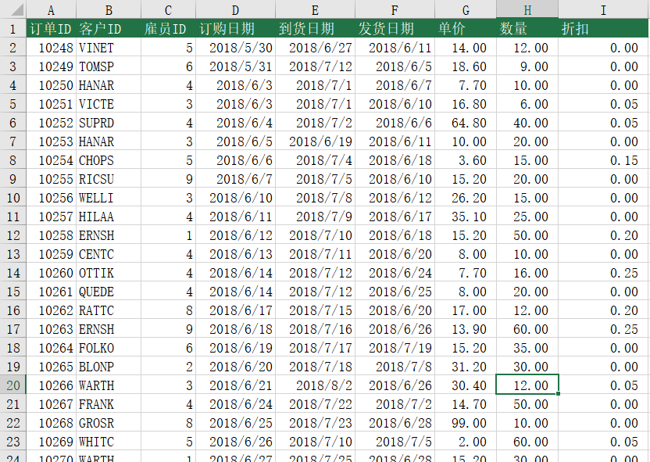
 |  | 课后小练习

任务：
 | 补齐订单表中的数据。根据“订单ID”从“订单明细”表中抓取相关信息。
 | 折扣需要保留两位小数，完成效果如下图。

